GanttChartPro
Gantt Chart Template Pro

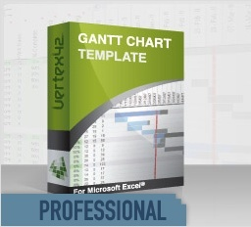
 |  | Gantt Chart Template Pro is similar to this free version, but
 |  | it is more feature-packed. It also comes with other bonus content.

 |  | Learn About Gantt Chart Template Pro
 |  | https://www.vertex42.com/ExcelTemplates/excel-gantt-chart.html

 |  | The following link is a blog post that talks specifically about the
 |  | Pro version for Excel Online.

 |  | Gantt Chart Template Pro for Excel Online

Benefits and Features of Gantt Chart Template Pro

 | Simple Color-Coding
 | The Pro version includes a column for specifying the color of bars in the chart. For example,
 | you could change the color based on urgency or task lead.

 | Daily, Weekly, or Monthly View
 | The Pro version includes a drop-down next to the Display Week that lets you choose to display
 | the columns in the chart area as days, weeks, or months.

 | Use Work Days as an Input
 | By default, the Pro version is set up to have you enter Work Days instead of Calendar Days.
 | The expanded set of template rows provides more options for defining the Start date, End date,
 | and Duration of tasks. Define a task based on …
 | - Start date and End date
 | - Start date and Work days
 | - Start date and Calendar days

 | Easily Create Task Dependencies
 | Though you can still use your own formulas for creating task dependencies, the Pro version
 | includes template rows that calculate the Start date based on the WBS number that you enter
 | in the Predecessor column.

 | Exclude Holidays from Work Days
 | List holidays and other specific non-working days that you want to exclude from work days.

 | Customize Your Work Week
 | The versions designed for Excel 2010+ use the WORKDAY.INTL() and NETWORKDAYS.INTL()
 | functions that allow you define the work week as something other than Monday-Friday.

 | Learn More About Gantt Chart Template Pro

